Defect report
Defect ID | Project name and version | date | module/ sub module | type | Phase | Summary | Description
DF01 | Test Field Force | 2025-03-23 | SignUP | Extra | System | User not recived any OTP but still OTP verification page is opened | STEPS: 1. Opend Sign up page 2. Enterd name "$123" 3. Selected Country " India " 4. Entered Mobile no. "9373362183" 5. Entered email ld " aakashya369@gmail.com" 6. Clicked on "Submit" button Expected Result: User shoud not recieve OTP Actual Result: same as expected but user redirected to OTP verification page | 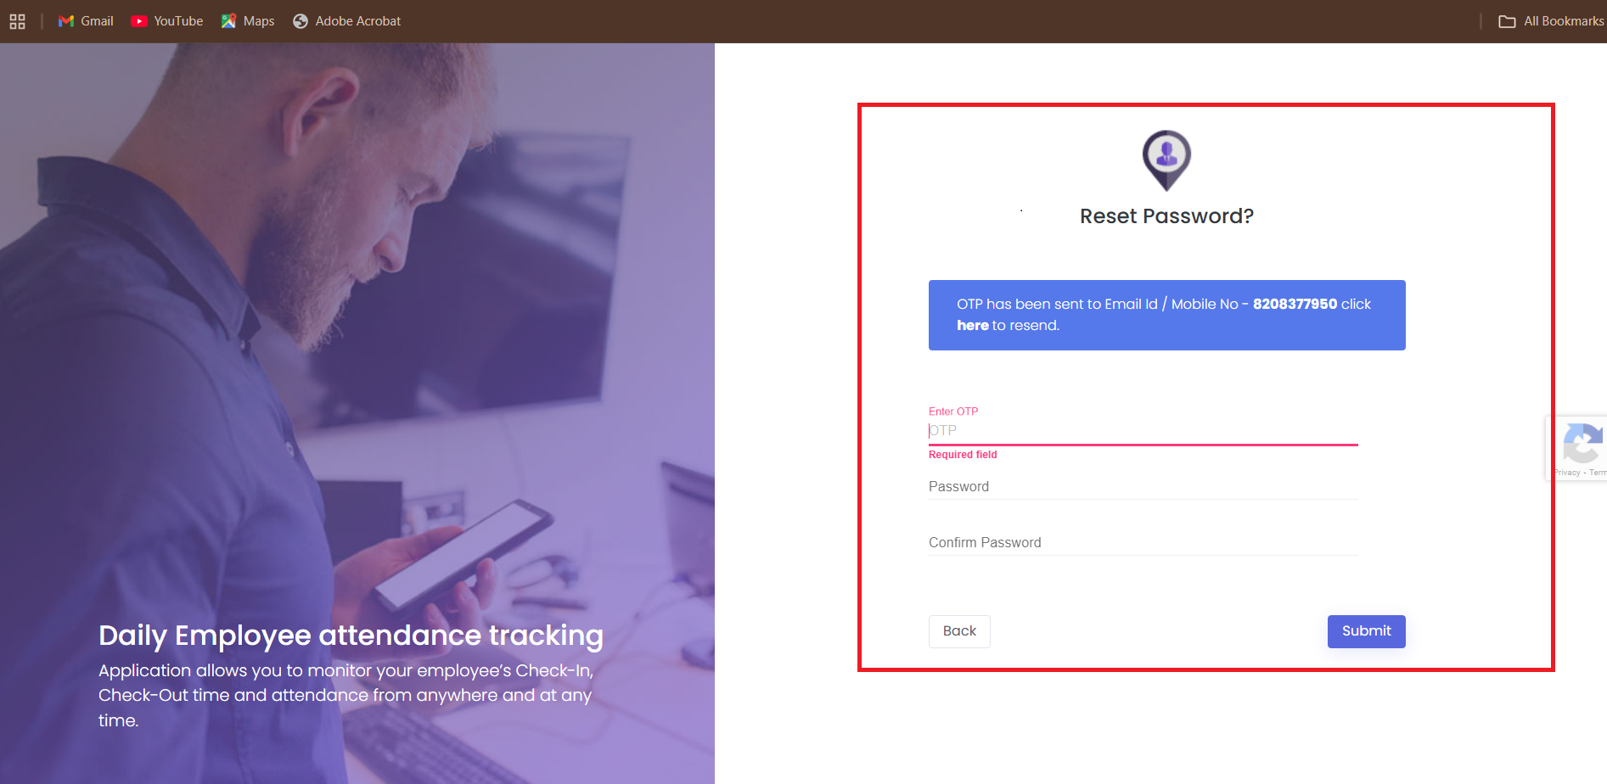
DF02 | Test Field Force | 2025-03-23 | SignUP | Wrong | System | User still received OTP when Country is USA and Mobile no. is indian | STEPS: 1. Opend Sign up page 2. Enterd name "Suraj yadav" 3. Selected Country " United State" 4. Entered Mobile no. "8208377950" 5. Entered email ld " surajevent6@gmail.com" 6. Clicked on "Submit" button Expected Result: User shoud not recieve OTP Actual Result: User recived OTP | 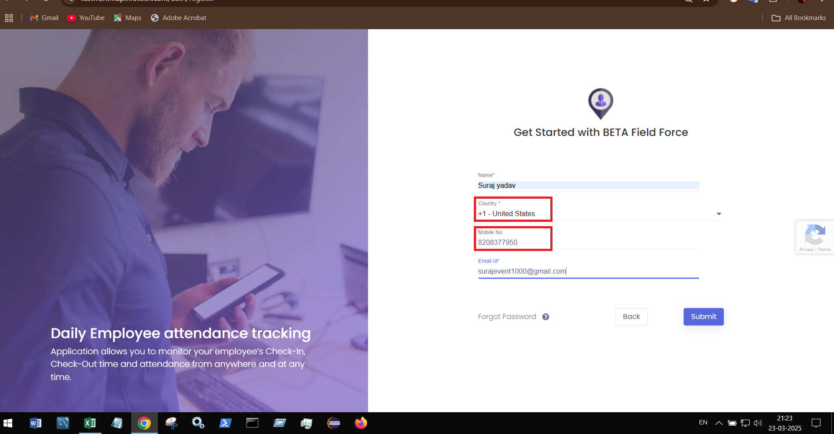 |  | 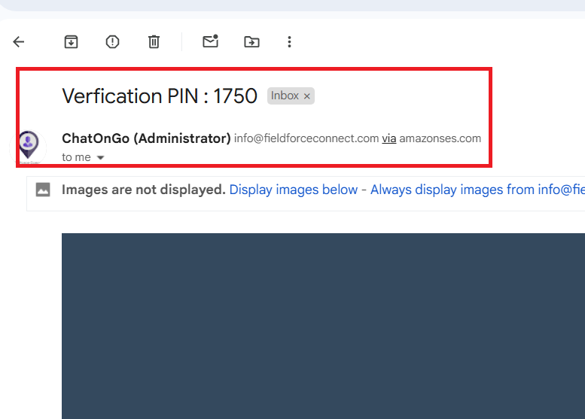
DF03 | Test Field Force | 2025-03-23 | SignUP | Missing | System | New User not receiving OTP | STEPS: 1. Opend Sign up page 2. Enterd name "Aakash Yadav" 3. Selected Country " India" 4. Entered Mobile no. "9373362183" 5. Entered email ld "aakashya369@gmail.com" 6. Clicked on "Submit" button Expected Result: User get OTP on mail Actual Result: User not recived OTP
DF04 | Test Field Force | 2025-03-23 | SignUP | Missing | System | New User not receiving OTP and unable to sign up | STEPS: 1. Opend Sign up page 2. Enterd name "Aakash Yadav" 3. Selected Country " India" 4. Entered Mobile no. "9373362183" 5. Entered email ld "aakashya369@gmail.com" 6. Clicked on "Submit" button Expected Result: User get OTP on mail Actual Result: User not recived OTP and unable to sign up |  | 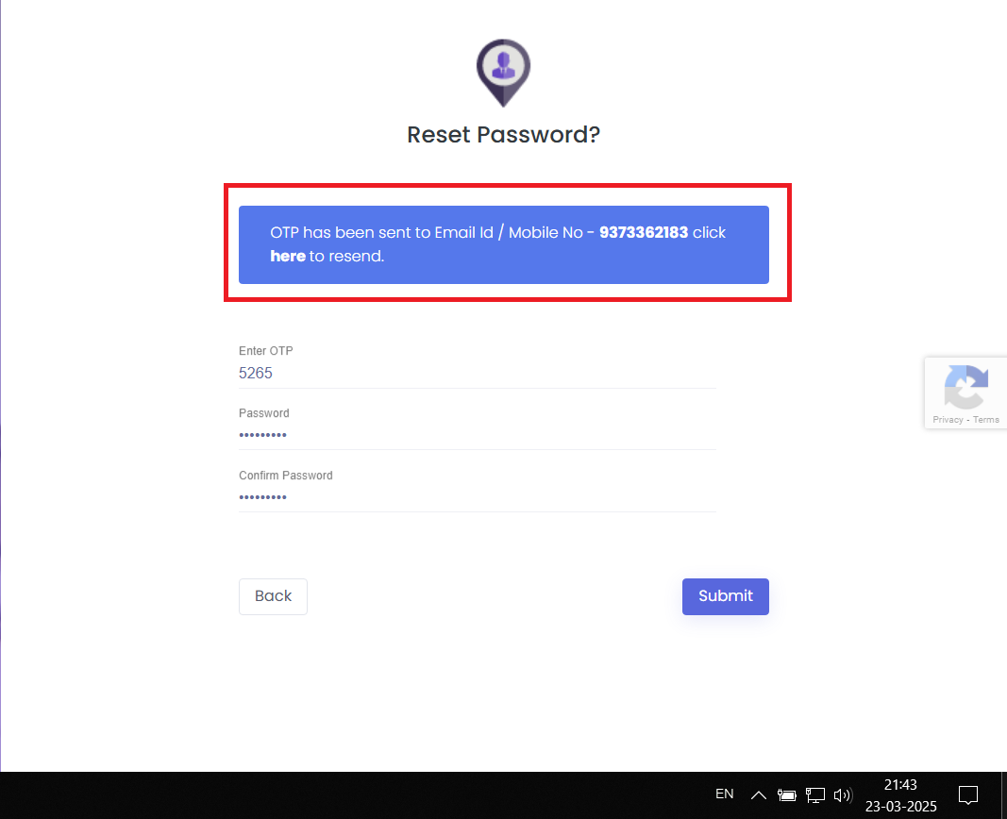
DF05 | Test Field Force | 2025-03-23 | SignUP | Wrong | System | Existing getting signed up with new passwords | STEPS: 1. Opend Sign up page 2. Enterd name "Suraj yadav" 3. Selected Country " India" 4. Entered Mobile no. "8208377950" 5. Entered email ld " surajevent10000@gmail.com" 6. Clicked on "Submit" button 7. Entered OTP " Valid " 8. Entered password and confirm password as "India@123" 9. Clicked on button "Submit" Expected Result: User failed to sign up Actual Result: User signed up successfully |  | 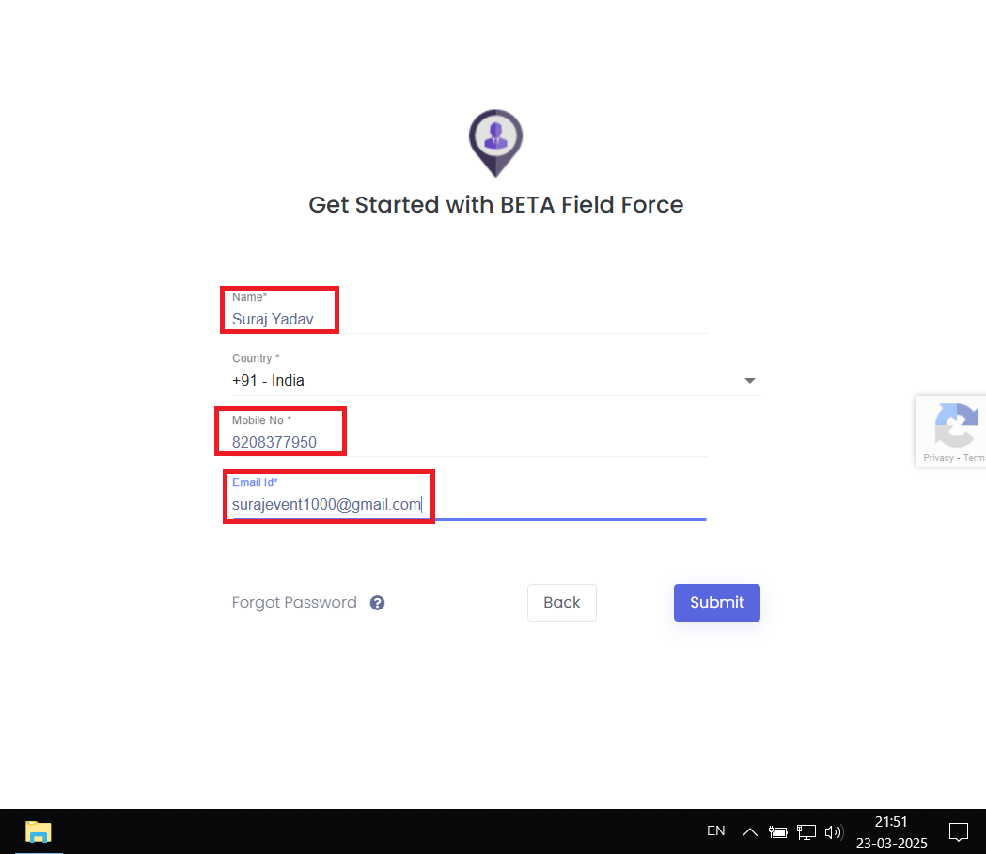 | 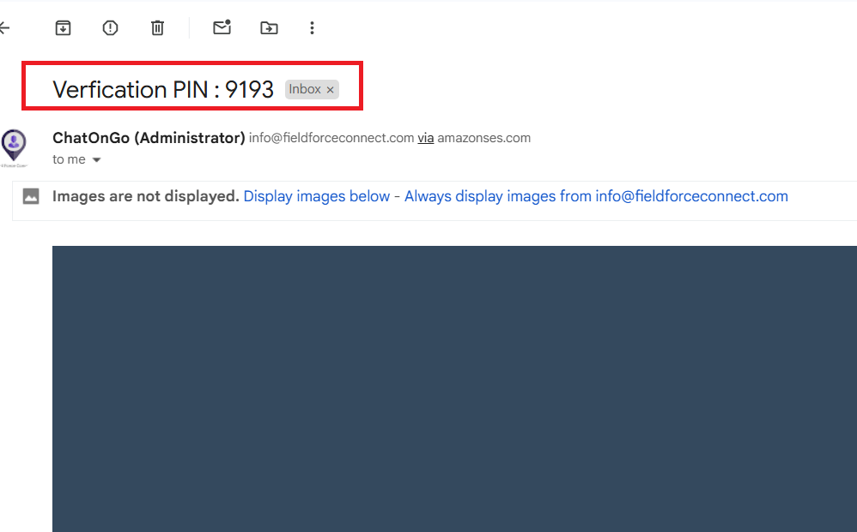 | 